1.2.A Linear Regression
SUMMARY OUTPUT

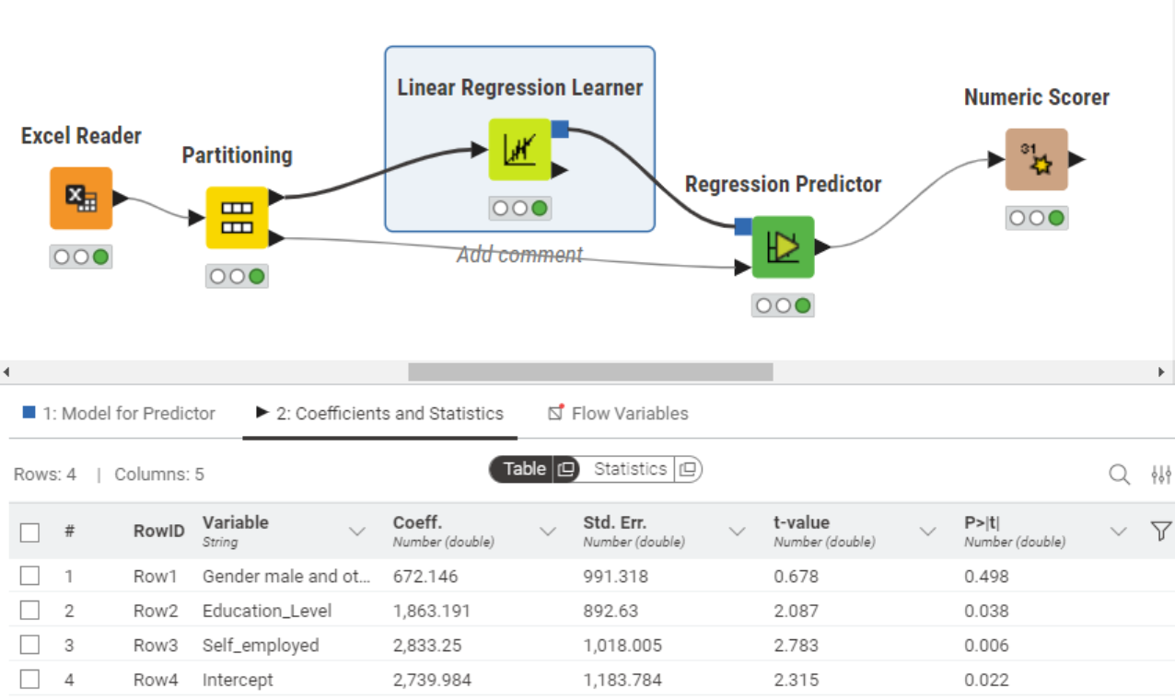
Regression Statistics
Multiple R | 0.21160430217
R Square | 0.044776380697
Adjusted R Square | 0.039792605292
Standard Error | 4809.2593268
Observations | 579

ANOVA
 | df | SS | MS | F | Significance F
Regression | 3 | 623401970.04 | 207800656.68 | 8.9844298865 | 8.0041814595E-06
Residual | 575 | 13299160782 | 23128975.272
Total | 578 | 13922562752

 | Coefficients | Standard Error | t Stat | P-value | Lower 95% | Upper 95% | Lower 95.0% | Upper 95.0%
Intercept | 2601.9295997 | 629.81213371 | 4.131278933 | 4.143530372E-05 | 1364.9167065 | 3838.9424929 | 1364.9167065 | 3838.9424929
Gender male and other | 1062.0581036 | 533.40998549 | 1.9910727818 | 0.046945658447 | 14.388498483 | 2109.7277088 | 14.388498483 | 2109.7277088
Education_Level | 1815.0821587 | 483.46766981 | 3.7542989367 | 0.00019149973513 | 865.50416705 | 2764.6601503 | 865.50416705 | 2764.6601503
Self_employed | 1775.6405028 | 591.99696808 | 2.9994081027 | 0.0028221183953 | 612.90030924 | 2938.3806964 | 612.90030924 | 2938.3806964

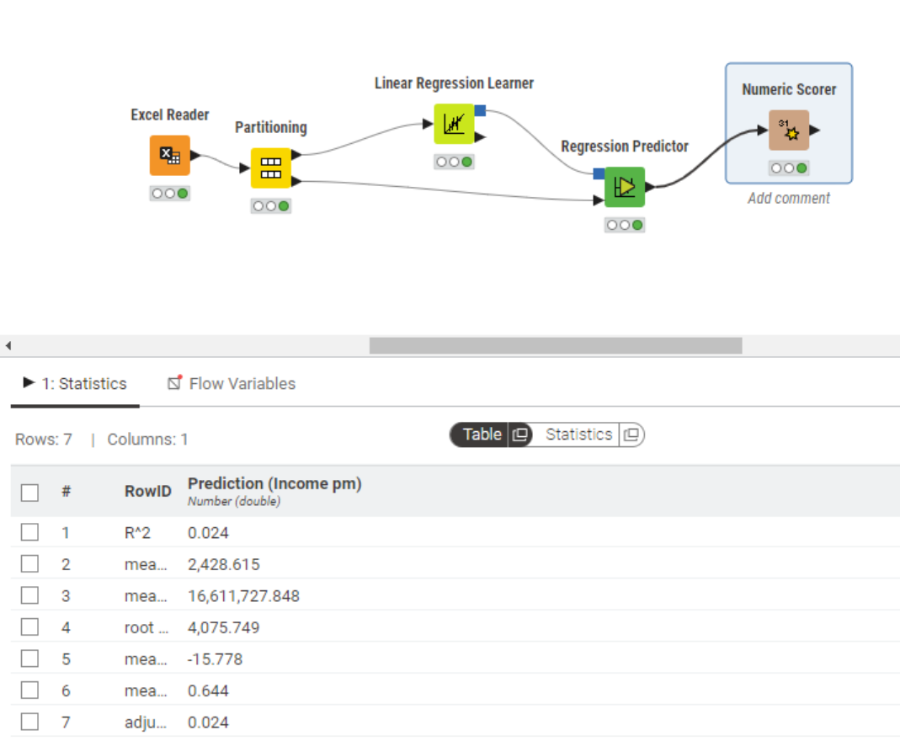
Numeric Scorer | predictor
R^2 | 0.023714630256
MAE | 2428.615347
MSE | 16611727.848
Root MSE | 4075.7487469
Mean signed difference | -15.778448375
Mean percentage absolute error | 0.64446465684
Adjusted R^2 | 0.023714630256

1.2.B Logistic Regression
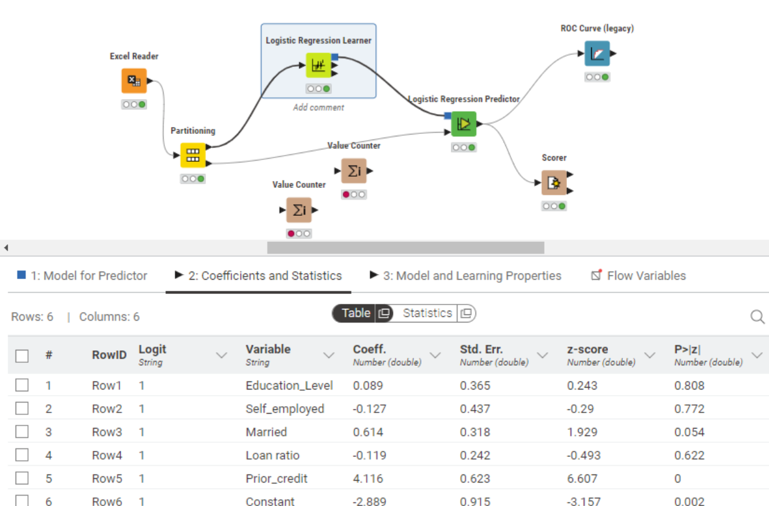
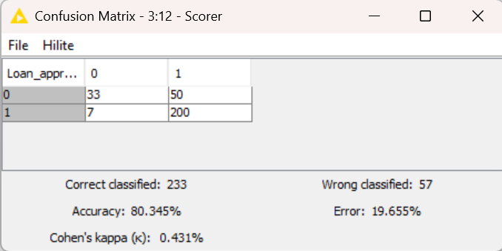
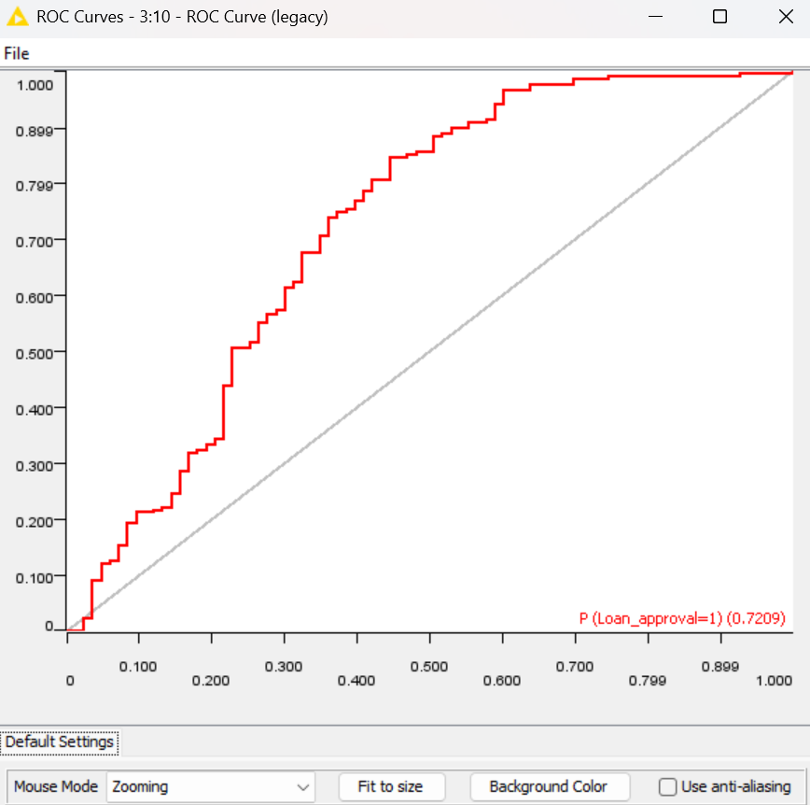
3

1.2.C Decision tree
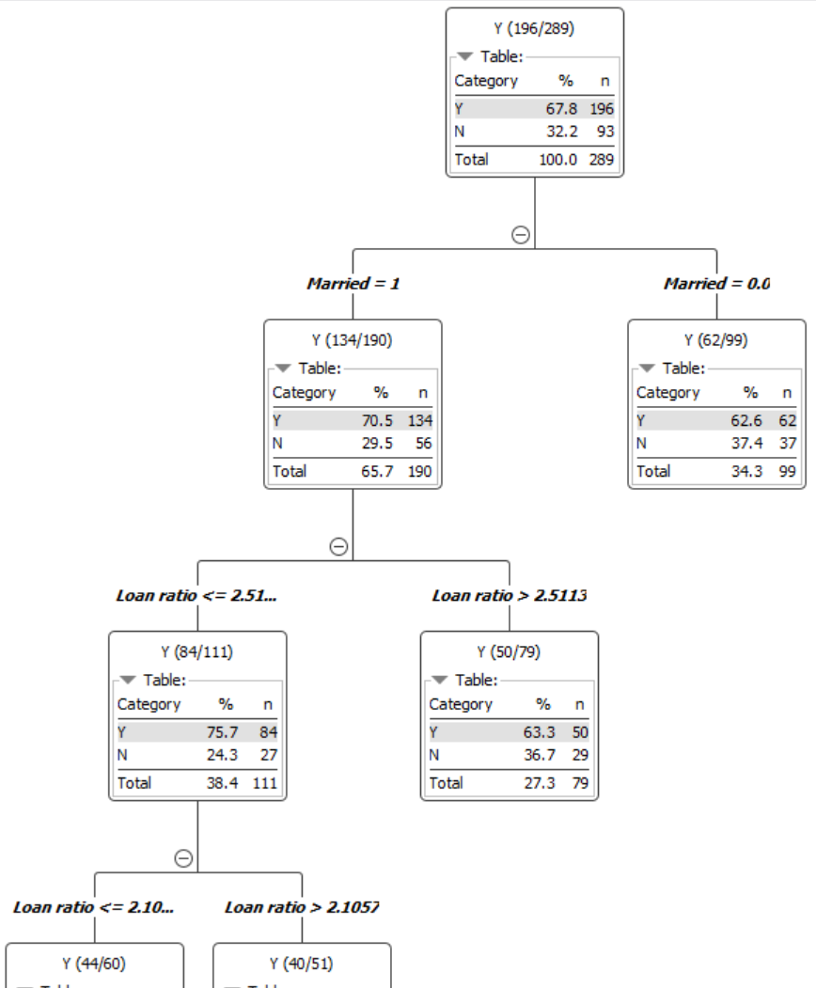
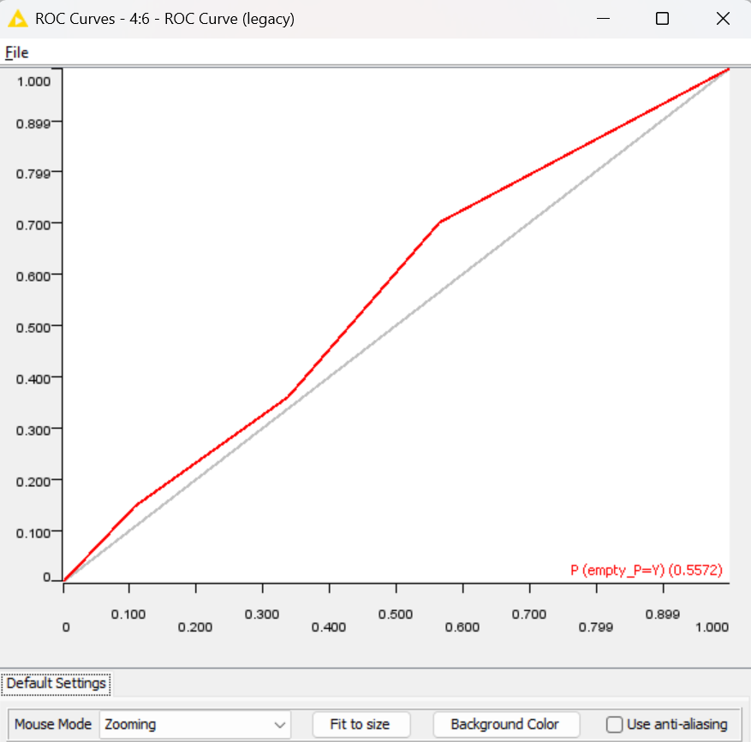
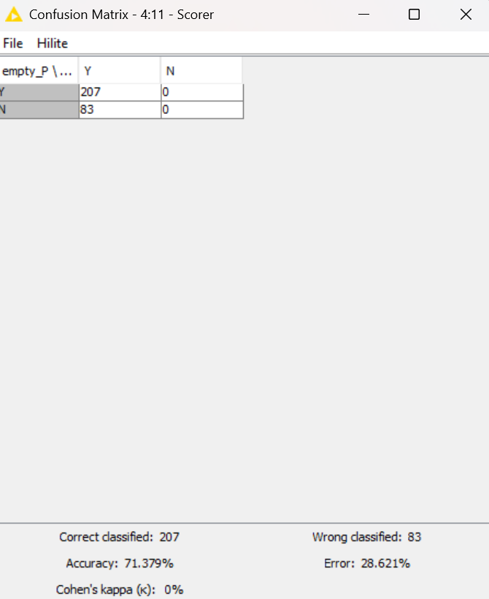

Sensitivity analysis
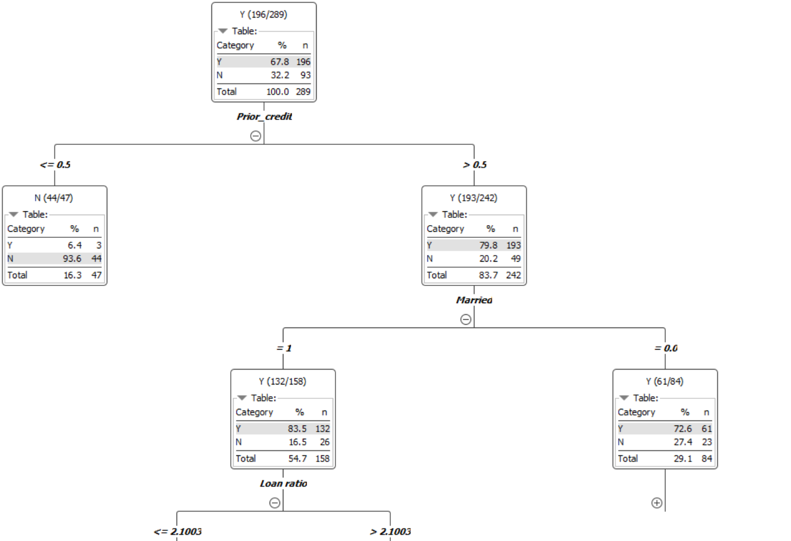
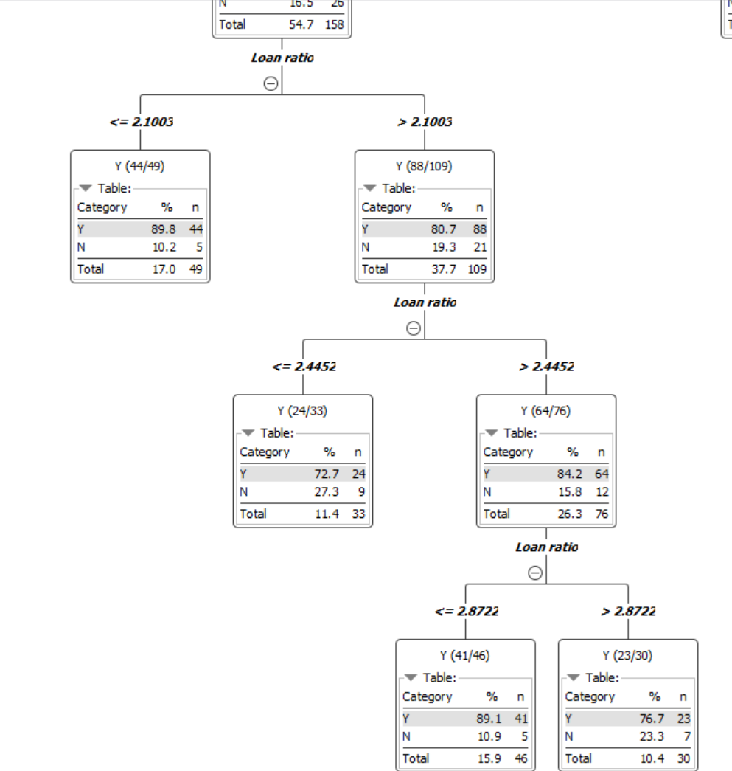
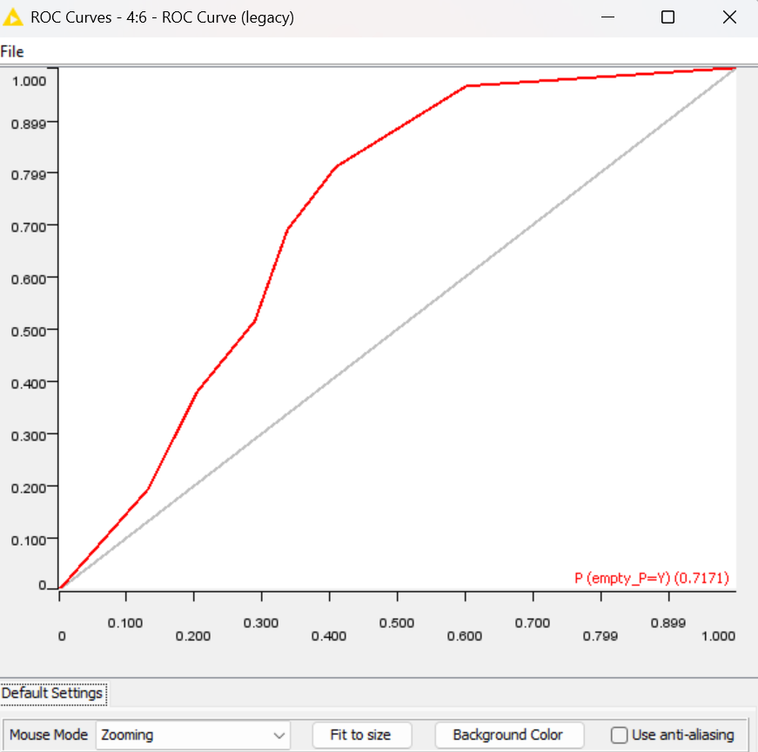

when minimum node is 30 the area under the curve is 0.7 which demonstrates a better model, and the decision tree branches also has more variables

